Card Data
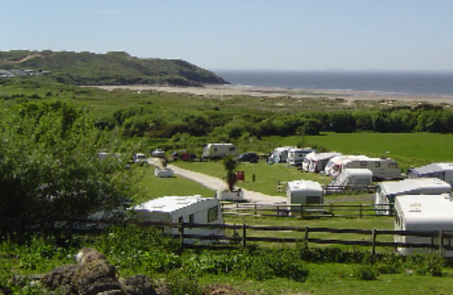
Harbour Pointe RV Park | Eagle Tree RV park | Fidalgo Bay Resort | Deep Lake Resort | Mount Vernon RV Campground
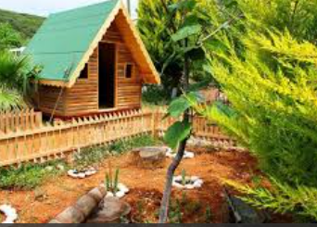
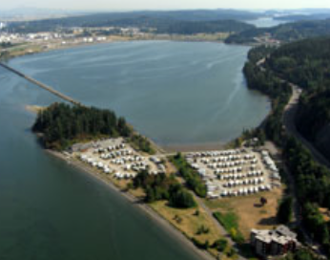
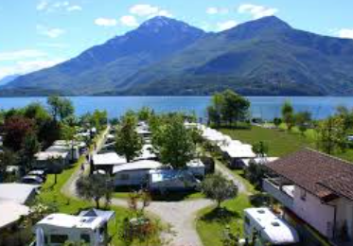
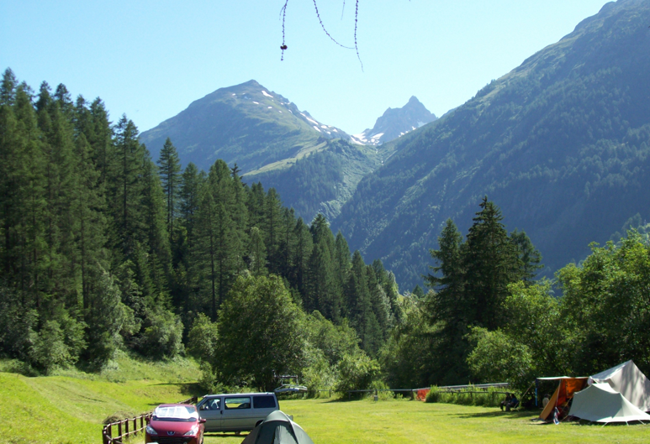

11501 Highway 99 | 16280 State Highway 305 | 4701 Fidalgo Bay Road | 12405 Tilley Road South | 5409 N. Darrk Lane
Everett, WA 98204 | Poulsbo, WA 98370 | Anacortes, WA 98221 | Olympia, WA 98512 | Bow, WA 98232
18.3 miles | 22.1 miles | 61.8 miles | 62.7 miles | 64.4 miles
http://www.gocampingamerica.com/parks/washington/harbour-pointe-rv-park | http://www.gocampingamerica.com/parks/washington/eagle-tree-rv-park | http://www.gocampingamerica.com/parks/washington/fidalgo-bay-resort | http://www.gocampingamerica.com/parks/washington/deep-lake-resort | http://www.gocampingamerica.com/parks/washington/mount-vernon-rv-campground

UI
Hi
You

Hi Steve. Good evevning. What can I do for you?

Camping places
You

Sure I can assist you on that. What's the distance range that you are thinking of?

Around 50 mins
Steve

Here are some options within that distance from your home --

Attachment
